Sheet1
Table 2 Molecular docking between ligand and receptor from an LRI predicted by LRI-SEnSCA on Dataset 2
 | Ligand-Receptor | Gene Names | PDB ID | Molecular docking | Interface area | ∆iG | NHB | NSB | Hydrogen bonds | Salt bridges
1 | ENSMUSP00000099794 | Gcg | 1JK2 | 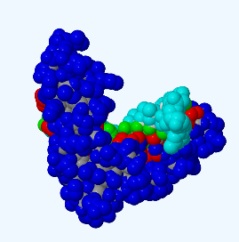 | 917.4 | -6.1 | 11 | 0 | 2.99 | 0
 | ENSMUSP00000078705 | Tnfrsf11b | 4E4D
2 | ENSMUSP00000078723 | Pth | 3FFD | 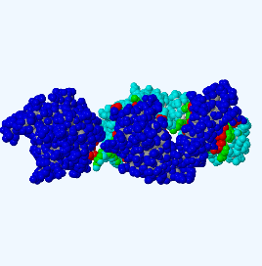 | 1827.5 | -27.7 | 6 | 7 | 2.93 | 2.63
 | ENSMUSP00000034409 | Izumo1r | 5JYJ
3 | ENSMUSP00000048857 | Calm2 | 5DOW | 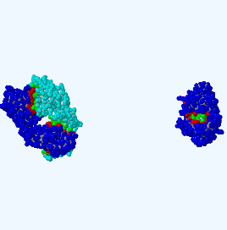 | 2928.8 | -40.3 | 25 | 8 | 2.88 | 2.46
 | ENSMUSP00000028111 | Il2ra | 3IU3
4 | ENSMUSP00000031843 | Npy | 7YON | 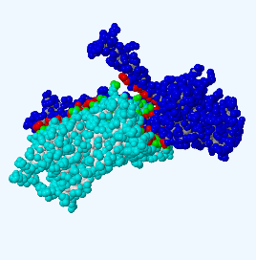 | 2488.1 | -35.2 | 19 | 2 | 2.94 | 2.67
 | ENSMUSP00000116757 | Tnfrsf14 | 7MSJ
5 | ENSMUSP00000056668 | Igf1 | 3M7F | 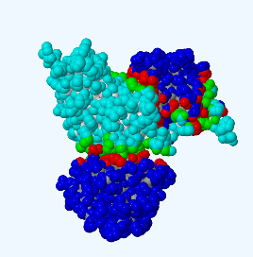 | 1573.7 | -9.6 | 23 | 6 | 2.83 | 3.16
 | ENSMUSP00000025691 | Fas | 4I16
6 | ENSMUSP00000047646 | Cxcl10 | 2R3Z | 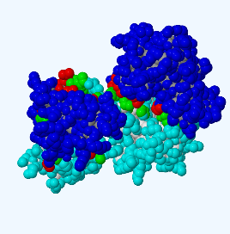 | 1586.1 | -8.8 | 17 | 4 | 3.17 | 3.69
 | ENSMUSP00000032207 | Klrg1 | 3FF9
7 | ENSMUSP00000035120 | Cck | 7XOX | 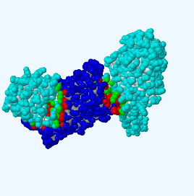 | 2068.9 | -27.8 | 12 | 0 | 3.21 | 0
 | ENSMUSP00000025691 | Fas | 4I16
8 | ENSMUSP00000009329 | Ccl8 | 2BDN | 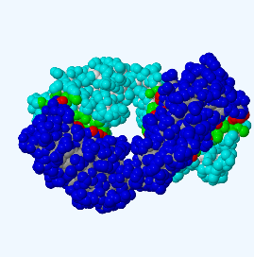 | 1691.1 | -27.1 | 13 | 1 | 3 | 3.18
 | ENSMUSP00000099891 | Icos | 1NPU
9 | ENSMUSP00000023840 | Cxcl13 | 5L7M | 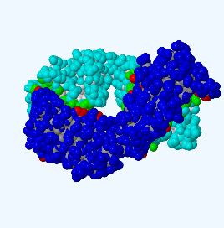 | 1666.5 | -23.8 | 13 | 3 | 2.78 | 3.05
 | ENSMUSP00000002284 | Plaur | 2FD6
10 | ENSMUSP00000139347 | Tac1 | 7P00 | 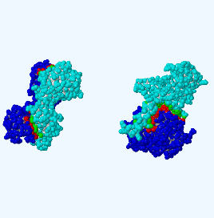 | 2817.1 | -36 | 19 | 7 | 3.16 | 3.19
 | ENSMUSP00000023140 | Tnfrsf17 | 4ZFO
11 | ENSMUSP00000069567 | Ghrl | 7NA7 | 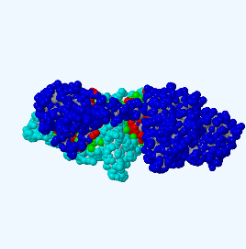 | 2254.1 | -35.8 | 11 | 3 | 3.82 | 3.96
 | ENSMUSP00000025691 | Fas | 4I16
12 | ENSMUSP00000133024 | Retn | 1RGX | 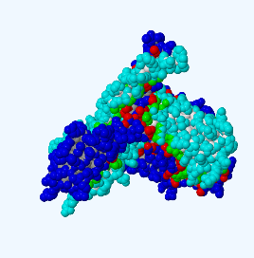 | 3746.8 | -42.9 | 53 | 14 | 3.07 | 2.95
 | ENSMUSP00000095171 | Cd74 | 1MUJ
13 | ENSMUSP00000025842 | Gal | 3D9A | 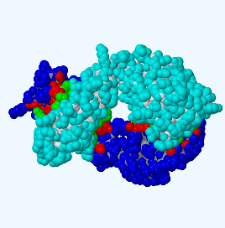 | 1715.2 | -24.2 | 11 | 2 | 2.97 | 3.03
 | ENSMUSP00000032207 | Klrg1 | 3FF9
14 | ENSMUSP00000099794 | Gcg | 1JK2 | 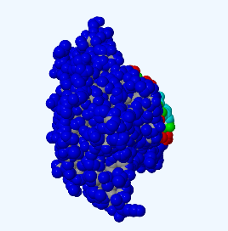 | 941.4 | -6 | 11 | 0 | 2.99 | 0
 | ENSMUSP00000099891 | Icos | 1NPU
15 | ENSMUSP00000136622 | Tac2 | 7P00 | 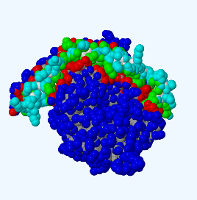 | 2011.3 | -37.4 | 16 | 7 | 3.4 | 2.8
 | ENSMUSP00000002284 | Plaur | 2FD6
16 | ENSMUSP00000136622 | Tac2 | 7P00 |  | 2817.1 | -36 | 19 | 7 | 3.16 | 3.19
 | ENSMUSP00000023140 | Tnfrsf17 | 4ZFO
17 | ENSMUSP00000017455 | Pyy | 7YON | 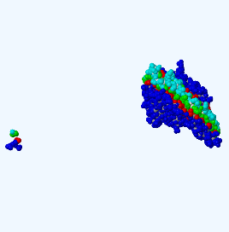 | 2129.0 | -40.8 | 19 | 5 | 3.16 | 3.92
 | ENSMUSP00000052581 | Lpar1 | 7YU3
18 | ENSMUSP00000035075 | Tdgf1 | 2J5H | 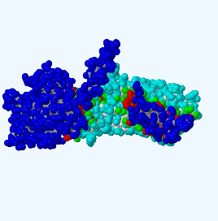 | 2195.2 | -39.4 | 12 | 4 | 2.94 | 3.42
 | ENSMUSP00000052581 | Lpar1 | 7YU3
19 | ENSMUSP00000000127 | Wnt3 | 6AHY | 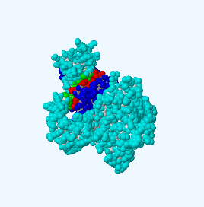 | 1463.9 | -13.3 | 8 | 0 | 3.17 | 0
 | ENSMUSP00000020329 | Egfr | 5XHZ
20 | ENSMUSP00000000312 | Cdh1 | 3QRB | 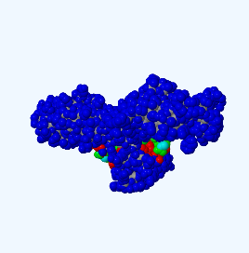 | 976.7 | -6.7 | 14 | 10 | 2.89 | 2.81
 | ENSMUSP00000020329 | Egfr | 5XHZ
21 | ENSMUSP00000004913 | Pgf | 8IUK | 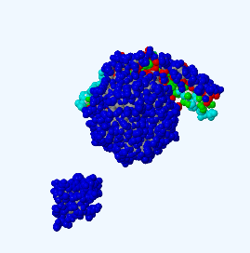 | 1933.2 | -36.5 | 10 | 2 | 2.65 | 3.57
 | ENSMUSP00000020329 | Egfr | 5XHZ
22 | ENSMUSP00000005073 | Zp3 | 5II6 | 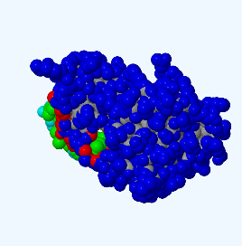 | 798.2 | -7.2 | 12 | 9 | 2.89 | 2.81
 | ENSMUSP00000020329 | Egfr | 5XHZ
23 | ENSMUSP00000047646 | Cxcl10 | 2R3Z | 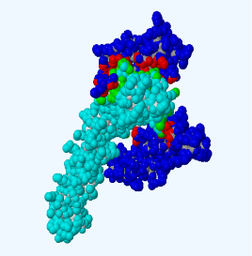 | 1307.8 | -13.4 | 14 | 0 | 3.8 | 0
 | ENSMUSP00000030808 | Tnfrsf9 | 5WIW
24 | ENSMUSP00000025842 | Gal | 3D9A | 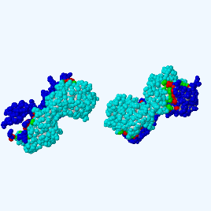 | 2495.2 | -35.5 | 17 | 5 | 2.97 | 3.03
 | ENSMUSP00000023140 | Tnfrsf17 | 4ZFO
25 | ENSMUSP00000031843 | Npy | 7YON | 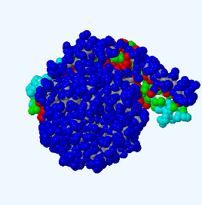 | 2103.0 | -40.3 | 19 | 5 | 3.16 | 3.92
 | ENSMUSP00000099891 | Icos | 1NPU
26 | ENSMUSP00000035075 | Tdgf1 | 2J5H | 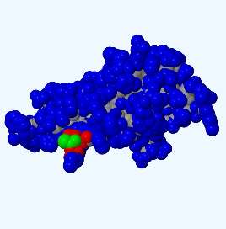 | 70.2 | -0.7 | 1 | 0 | 2.82 | 0
 | ENSMUSP00000099891 | Icos | 1NPU
27 | ENSMUSP00000035551 | Avp | 7RYC | 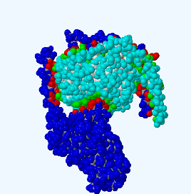 | 2808.3 | -45.1 | 14 | 6 | 3.15 | 3.77
 | ENSMUSP00000099891 | Icos | 1NPU
28 | ENSMUSP00000067325 | Rspo2 | 4C86 | 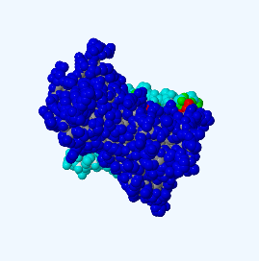 | 1532.9 | -7.6 | 26 | 2 | 3.88 | 3.76
 | ENSMUSP00000099891 | Icos | 1NPU
29 | ENSMUSP00000074885 | Cxcl2 | 3N52 | 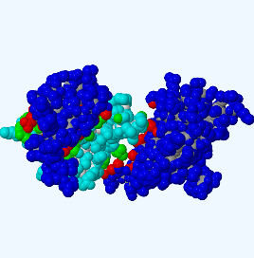 | 1160.3 | -11.5 | 11 | 1 | 2.79 | 3.64
 | ENSMUSP00000099891 | Icos | 1NPU
30 | ENSMUSP00000078723 | Pth | 3FFD | 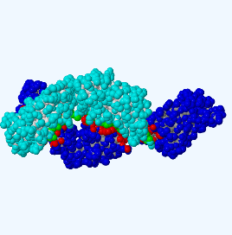 | 1903.8 | -26.5 | 6 | 7 | 2.93 | 2.63
 | ENSMUSP00000099891 | Icos | 1NPU

